Linear Regression Results
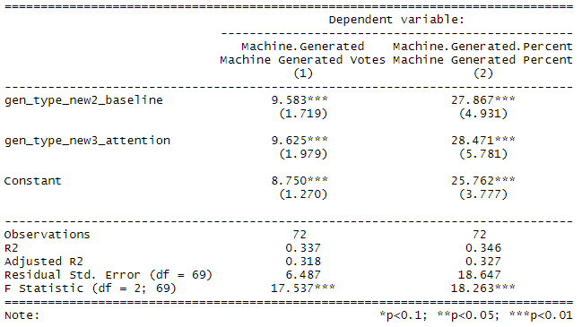
 | Machine Generated | Machine Generated
 | Votes | Percent
Constant | 9.583*** | 27.867***
 | (1.719) | (4.931)
Baseline | 9.625*** | 28.471***
 | (1.979) | (5.781)
Attention LSTM | 8.750*** | 25.762***
 | (1.270) | (3.777)
Observations | 72 | 72
R2 | 0.337 | 0.346
Adjusted R2 | 0.318 | 0.327
Residual Std. Error (df = 69) | 6.487 | 18.647
F Statistic (df = 2; 69) | 17.537*** | 18.263***
Note: | *p<0.1; **p<0.05; ***p<0.01

